Use for Final Ranking
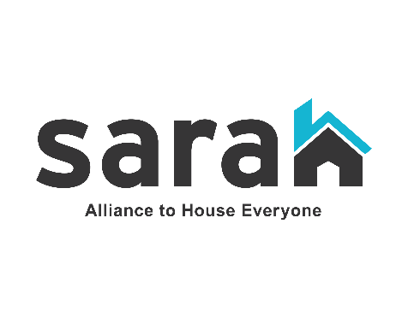 TX-500 San Antonio / Bexar County 2022 CoC Program Project Priority Ranking

Project Rank | Applicant Name | Project Name | Project Type | Funding Type | Award Amount
1 | SAMMinistries | 2022 DV TH-RRH | TH-RRH (DV) | Renewal | $767,911 | Tier 1
2 | SAMMinistries | 2022 Housing First CH Singles Renewal | PSH | Renewal | $1,371,485
3 | Family Violence Prevention Services | FVPS DV Bonus TH-RRH | TH-RRH (DV) | Renewal | $79,460
4 | SAMMinistries | 2022 Housing First CH Singles II Renewal | PSH | Renewal | $430,875
5 | Family Violence Prevention Services | FVPS Rapid Re Housing | RRH | Renewal | $304,498
6 | SARAH | 2022 SARAH Coordinated Access | SSO-CE | Renewal | $483,717
7 | SARAH | 2022 SARAH Coordinated Access DV Bonus | SSO-CE (DV) | Renewal | $129,165
8 | Haven for Hope | HMIS Renewal Application | HMIS | Renewal | $608,675
9 | San Antonio AIDS Foundation | Casa de Care | PSH | Renewal | $206,123
10 | Endeavors | FY2022 PSH Project | PSH | Renewal | $1,382,936
11 | SAMMinistries | 2022 SAMM Housing First Renewal | PSH | Renewal | $1,343,169
12 | Family Violence Prevention Services | La Paloma Transitional Housing | TH | Renewal | $149,250
13 | SAMMinistries | 2022 SAMM PSH Renewal | PSH | Renewal | $278,329
14 | American GI Forum | AGIF NVOP Permanent Housing | PSH | Renewal | $874,699
15 | Endeavors | FY2022 FFL Project | PSH | Renewal | $520,610
16 | American GI Forum | AGIF NVOP Rapid ReHousing | RRH | Renewal | $678,880
17 | Thrive Youth Center | Thrive HUD CoC Renewal | RRH | Renewal | $403,280
18 | SAMMinistries | 2022 Transitional Housing Renewal | TH | Renewal | $488,413
19 | Haven for Hope | HMIS Expansion Project | HMIS | Expansion | $33,615
Tier 1 Total |  |  |  |  | $10,535,090

20 | SAMMinistries | 2022 Rapid Re-Housing Renewal | RRH | Renewal | $180,992 | Tier 2
21 | Saint Vincent de Paul | SVDP CoC RRH 2022 | RRH | Renewal | $407,101
22 | SAMMinistries | 2022 Housing First CH Singles II (Hudson) | PSH (E) | Expansion | $579,684
23 | San Antonio AIDS Foundation | Casa de Care Expansion | PSH (E) | New Project | $115,320
DV24 | The Salvation Army | The Salvation Army DV-RRH FY2022 | RRH (DV) | New Project | $795,541
DV25 | Saint Vincent de Paul | SVDP RRH DV Expansion | RRH (DV, E) | Expansion | $661,697
Tier 2 Total |  |  |  |  | $2,740,335

N/A | Luminary Ministries | Luminary Youth Resource Center | SSO | Replacement | $177,500 | YHDP
N/A | SAMMinistries | 2022 YHDP Replacement Project Application | SSO | Replacement | $85,935
N/A | SAMMinistries | 2022 YHDP Drop-in Center | SSO | Renewal | $655,959
N/A | Thrive Youth Center | Thrive YHDP Renewal | RRH | Renewal | $506,685
N/A | Endeavors | FY2022 YRP | RRH | Renewal | $819,707
N/A | Providence Place | Oasis | TH-RRH | Renewal | $483,864
N/A | The University of Texas at San Antonio | BCFES Housing First Project Renewal FY2022 | RRH | Renewal | $644,688
N/A | SARAH | 2022 SARAH YHDP Coordinated Entry | SSO-CE | Renewal | $50,000
YHDP Total |  |  |  |  | $3,424,338

N/A | SARAH | CoC Planning Grant | N/A | Renewal | $437,171 | CoC
CoC Planning Grant Total |  |  |  |  | $437,171

